2023 FEVS SEC Summary
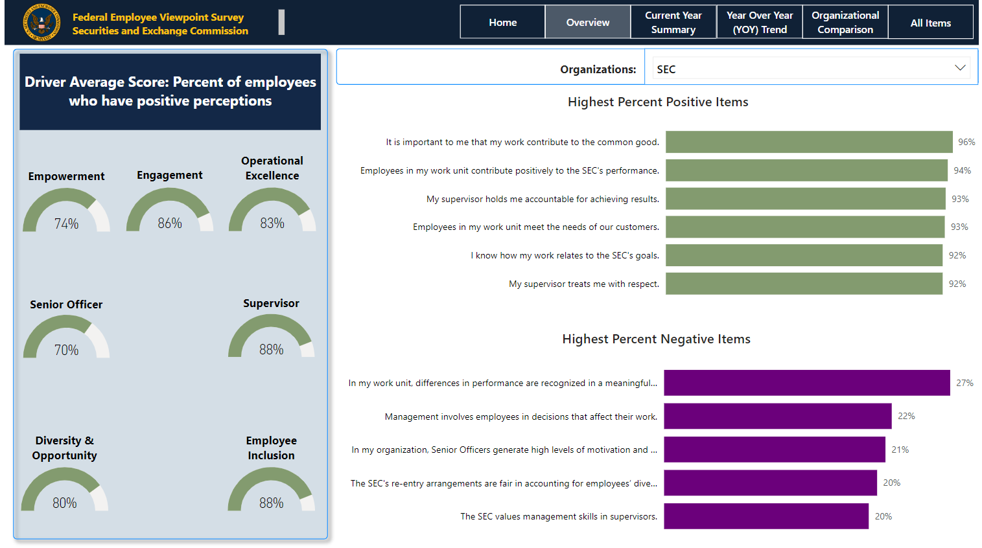
2023 Federal Employee Viewpoint Survey (FEVS)

2023 FEVS Demographic Summary
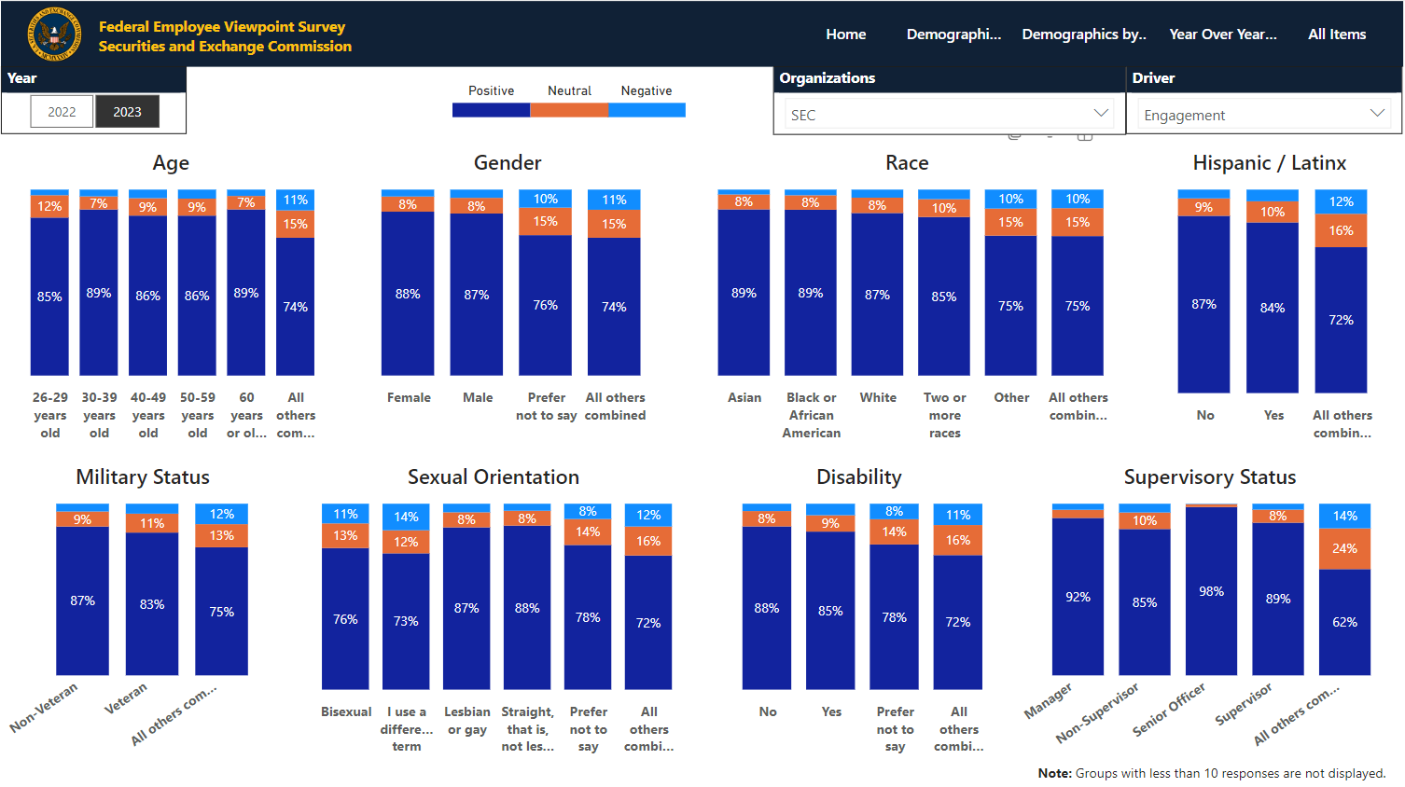
Engagement Driver by Demographic Group - SEC 2023 FEVS

