2021 FEVS SEC Summary
2021 FEVS - SEC Year Over Year Indices Trend Analysis
 | FEVS Average | Global Satisfaction | Employee Engagement | Leader Effectiveness
2012 | 0.57494366197 | 0.58825 | 0.62006666667 | 0.53705
2013 | 0.58592957746 | 0.59675 | 0.62266666667 | 0.5477
2014 | 0.61969014085 | 0.651 | 0.6592 | 0.5828
2015 | 0.6494971831 | 0.6914 | 0.68894 | 0.609195
2016 | 0.68888898621 | 0.77137987903 | 0.72839308099 | 0.64525640449
2017 | 0.72847311074 | 0.81163094823 | 0.77096343714 | 0.69224829493
2018 | 0.74298034099 | 0.8174192025 | 0.782728958 | 0.710140727
2019 | 0.71711025563 | 0.7544202725 | 0.761066766 | 0.6854349655
2020 | 0.7782130318 | 0.82213121863 | 0.81921544238 | 0.74461738166
2021 | 0.75701516192 | 0.78464765991 | 0.79893076814 | 0.72889860397

2021 FEVS - Global Satisfaction Average | 2021 FEVS - Employee Engagement Average
 | Positive | Neutral | Negative | SEC Positive
2012 | 0.62006666667 | 0.1692 | 0.2108 | 0.62006666667
2013 | 0.62266666667 | 0.17226666667 | 0.205 | 0.62266666667
2014 | 0.6592 | 0.16286666667 | 0.17813333333 | 0.6592
2015 | 0.68894 | 0.14904 | 0.16202 | 0.68894
2016 | 0.72839308099 | 0.13655195645 | 0.13505496256 | 0.72839308099
2017 | 0.77096343714 | 0.12269072803 | 0.10634583483 | 0.77096343714
2018 | 0.782728958 | 0.11724138467 | 0.10002964067 | 0.782728958
2019 | 0.761066766 | 0.12671355933 | 0.11221967533 | 0.761066766
2020 | 0.81921544238 | 0.10158387532 | 0.079200682307 | 0.81921544238
2021 | 0.79893076814 | 0.11049879358 | 0.090570438278 | 0.79893076814
 | Positive | Neutral | Negative | SEC Positive
2012 | 0.58825 | 0.195 | 0.2165 | 0.58825
2013 | 0.59675 | 0.19425 | 0.20925 | 0.59675
2014 | 0.651 | 0.18275 | 0.16625 | 0.651
2015 | 0.6914 | 0.157925 | 0.1507 | 0.6914
2016 | 0.77137987903 | 0.12730374058 | 0.10131638039 | 0.77137987903
2017 | 0.81163094823 | 0.11201087675 | 0.076358175017 | 0.81163094823
2018 | 0.8174192025 | 0.1013932625 | 0.0811875225 | 0.8174192025
2019 | 0.7544202725 | 0.125930185 | 0.119649545 | 0.7544202725
2020 | 0.82213121863 | 0.10087893373 | 0.076989847638 | 0.82213121863
2021 | 0.78464765991 | 0.11504267523 | 0.10030966485 | 0.78464765991

2021 Demographic Summary
2021 FEVS Results by Demographic Group

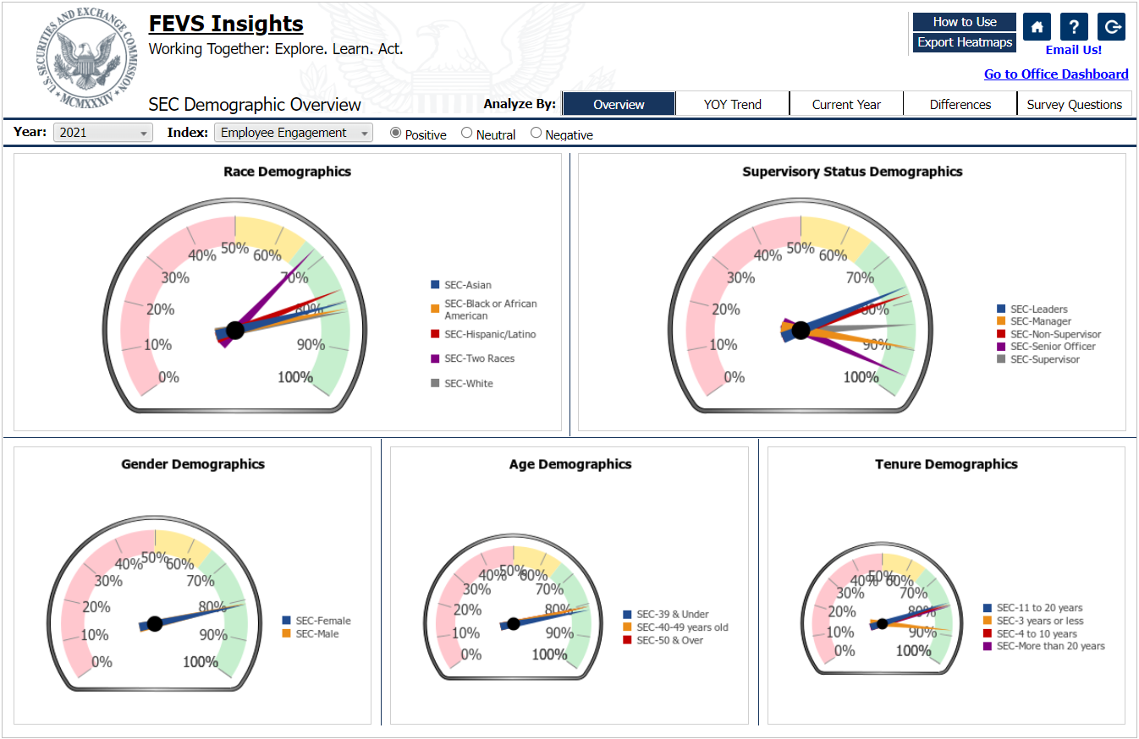

2021 FEVS - Employee Engagement Index by Veteran Status | 2021 FEVS - Employee Engagement Index by Sexual Orientation
 | SEC-Non-Veteran Positive | SEC-Veteran Positive
2018 | 0.79238419533 | 0.76067558438
2019 | 0.76526845733 | 0.7710981045
2020 | 0.8221628483 | 0.80647433128
2021 | 0.80479791244 | 0.79779003605
 | SEC-LGBS Positive | SEC-Straight Positive
2018 | 0.71684690067 | 0.79710223867
2019 | 0.72908177785 | 0.77588482319
2020 | 0.7867749966 | 0.83085996293
2021 | 0.74447451785 | 0.8162733818

