2022 FEVS SEC Summary
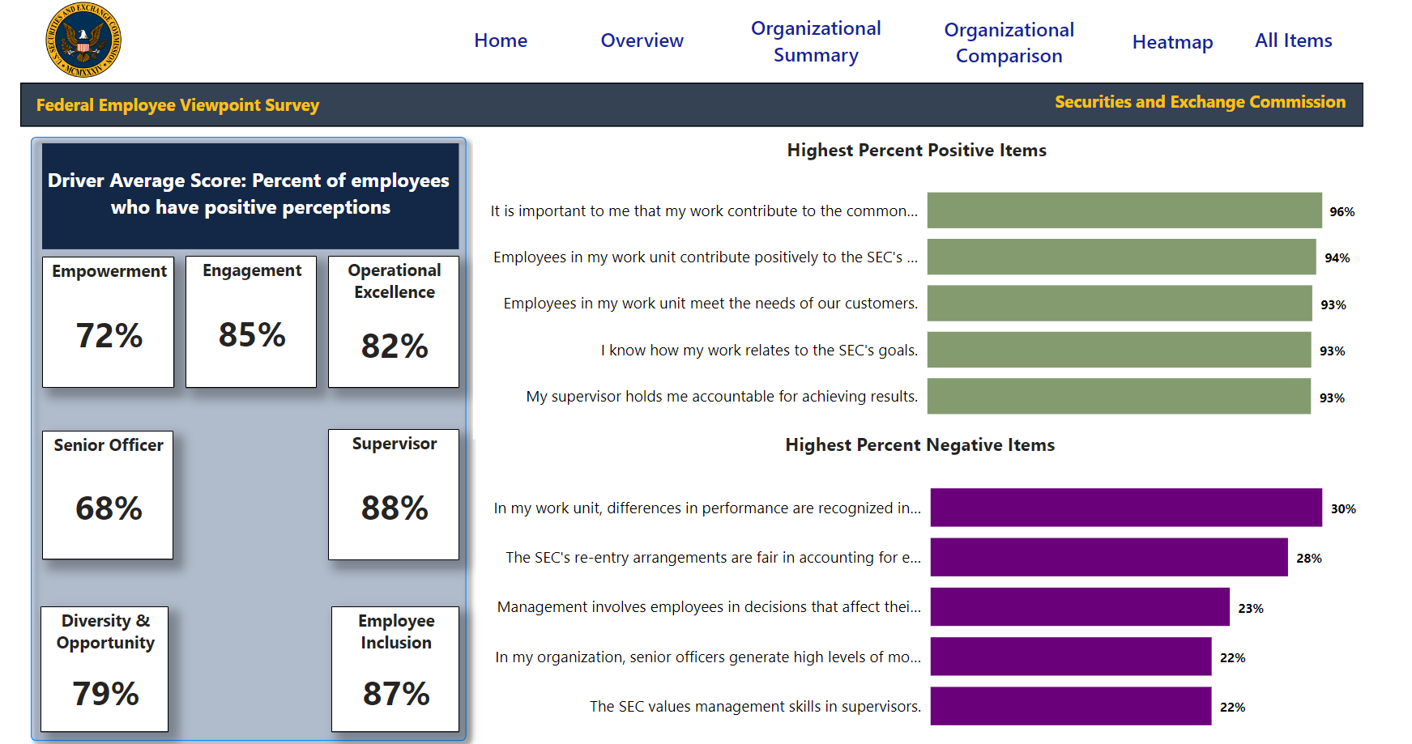

2022 FEVS Demographic Summary
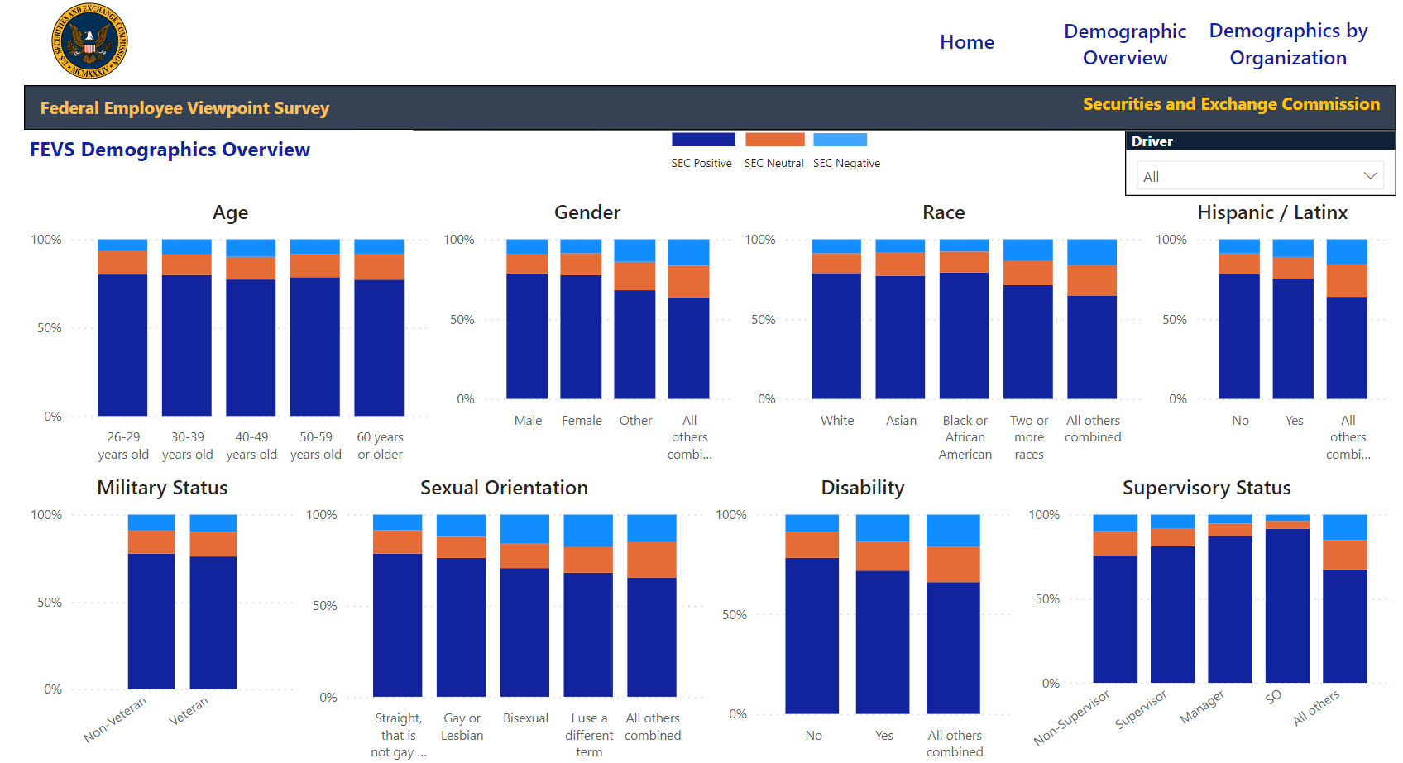
FEVS Average Across All Survey Items

